customer&revenue by country
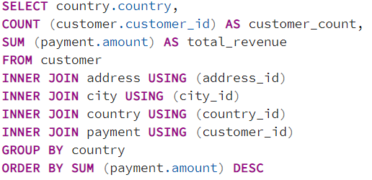
country | customer_count | total_revenue
India | 1422 | 6034.78
China | 1297 | 5251.03
United States | 869 | 3685.31
Japan | 749 | 3122.51
Mexico | 718 | 2984.82
Brazil | 681 | 2919.19
Russian Federation | 638 | 2765.62
Philippines | 530 | 2219.7
Turkey | 351 | 1498.49
Indonesia | 331 | 1352.69
Nigeria | 320 | 1298.8
Argentina | 308 | 1314.92
Taiwan | 290 | 1155.1
South Africa | 254 | 1069.46
Iran | 204 | 877.96
United Kingdom | 204 | 850.96
Poland | 184 | 786.16
Italy | 176 | 741.24
Germany | 174 | 753.26
Vietnam | 157 | 632.43
Ukraine | 155 | 676.45
Colombia | 152 | 659.48
Egypt | 147 | 675.53
Venezuela | 146 | 661.54
Canada | 130 | 559.7
Netherlands | 127 | 557.73
South Korea | 123 | 527.77
Spain | 120 | 513.8
Yemen | 116 | 473.84
Pakistan | 107 | 473.93
Saudi Arabia | 106 | 452.94
Peru | 99 | 407.01
Thailand | 92 | 401.08
Israel | 88 | 334.12
Ecuador | 87 | 379.13
Bangladesh | 82 | 369.18
Algeria | 82 | 349.18
France | 81 | 353.19
Malaysia | 78 | 322.22
Tanzania | 77 | 330.23
Mozambique | 75 | 315.25
United Arab Emirates | 75 | 305.25
Dominican Republic | 74 | 304.26
Chile | 70 | 284.3
Austria | 66 | 303.34
Morocco | 65 | 274.35
Paraguay | 64 | 271.36
Belarus | 60 | 273.4
Latvia | 59 | 248.41
Switzerland | 58 | 218.42
Kenya | 57 | 249.43
Yugoslavia | 52 | 224.48
Puerto Rico | 51 | 245.49
Romania | 51 | 233.49
Runion | 51 | 186.49
French Polynesia | 49 | 202.51
Greece | 49 | 192.51
Sudan | 49 | 179.51
Azerbaijan | 48 | 205.52
Bulgaria | 48 | 194.52
Kazakstan | 47 | 198.53
Angola | 47 | 179.53
Cameroon | 46 | 204.54
Myanmar | 45 | 211.55
Cambodia | 45 | 187.55
Bolivia | 44 | 178.56
Congo, The Democratic Republic of the | 44 | 161.56
Oman | 42 | 168.58
Holy See (Vatican City State) | 34 | 127.66
Nauru | 34 | 107.66
Sweden | 33 | 139.67
Czech Republic | 32 | 146.68
Moldova | 32 | 99.68
Turkmenistan | 31 | 121.69
Chad | 30 | 143.7
Malawi | 30 | 121.7
Zambia | 29 | 111.71
Virgin Islands, U.S. | 29 | 107.71
Greenland | 28 | 132.72
Armenia | 28 | 122.72
Gambia | 28 | 119.72
Iraq | 28 | 105.72
Hungary | 27 | 121.73
Bahrain | 27 | 114.73
North Korea | 27 | 111.73
Brunei | 27 | 103.73
Kuwait | 26 | 126.74
Estonia | 26 | 99.74
Hong Kong | 25 | 118.75
Sri Lanka | 25 | 106.75
Liechtenstein | 24 | 108.76
Anguilla | 24 | 104.76
French Guiana | 24 | 96.76
Faroe Islands | 24 | 95.76
Senegal | 23 | 91.77
Nepal | 23 | 85.77
Tuvalu | 23 | 80.77
Madagascar | 22 | 93.78
Ethiopia | 22 | 73.78
New Zealand | 22 | 63.78
Slovakia | 21 | 92.79
Finland | 21 | 78.79
Tunisia | 20 | 97.8
Afghanistan | 18 | 67.82
Tonga | 18 | 64.82
Saint Vincent and the Grenadines | 17 | 93.83
Lithuania | 16 | 64.84
American Samoa | 15 | 47.85

top 10 countries_3.7 step 1
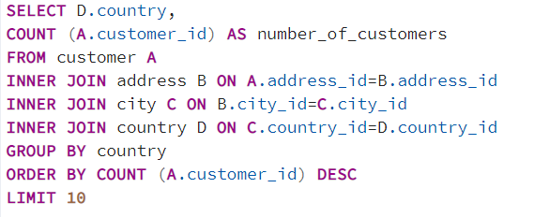
country | number_of_customers
India | 60
China | 53
United States | 36
Japan | 31
Mexico | 30
Brazil | 28
Russian Federation | 28
Philippines | 20
Turkey | 15
Indonesia | 14

top 10 cites_3.7 step 2
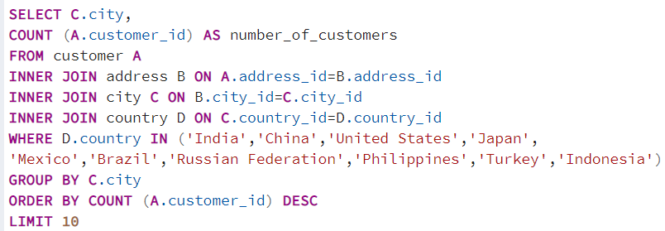
city | number_of_customers
Aurora | 2
Tokat | 1
Tarsus | 1
Atlixco | 1
Emeishan | 1
Pontianak | 1
Shimoga | 1
Aparecida de Goinia | 1
Zalantun | 1
Taguig | 1

top 5 customers_3.7 step 3
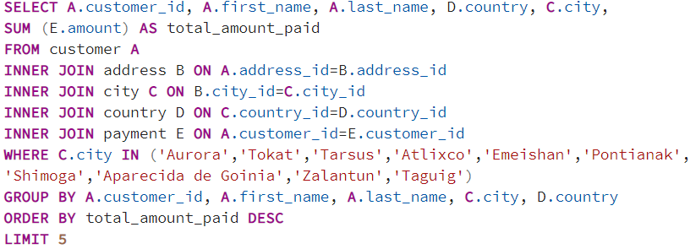
Customer ID | First Name | Last Name | Country | City | Total Spent
566 | Casey | Mena | Turkey | Tokat | 130.68
84 | Sara | Perry | Mexico | Atlixco | 128.7
506 | Leslie | Seward | Indonesia | Pontianak | 123.72
389 | Alan | Kahn | China | Emeishan | 119.75
537 | Clinton | Buford | United States | Aurora | 98.76

revenue by genre
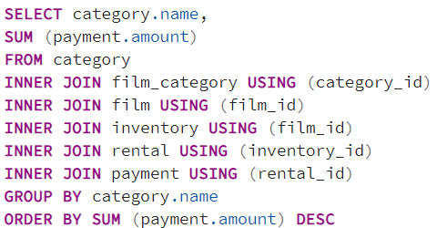
name | sum
Sports | 4892.19
Sci-Fi | 4336.01
Animation | 4245.31
Drama | 4118.46
Comedy | 4002.48
New | 3966.38
Action | 3951.84
Foreign | 3934.47
Games | 3922.18
Family | 3782.26
Documentary | 3749.65
Horror | 3401.27
Classics | 3353.38
Children | 3309.39
Travel | 3227.36
Music | 3071.52
Thriller | 47.89

revenue by rating
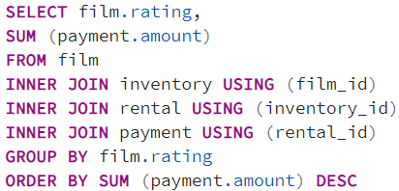
rating | sum
PG-13 | 13855.56
NC-17 | 12634.92
PG | 12236.65
R | 12073.03
G | 10511.88

rental duration&rate_3.6 step2
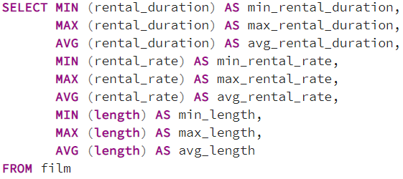
min_rental_duration | max_rental_duration | avg_rental_duration | min_rental_rate | max_rental_rate | avg_rental_rate | min_length | max_length | avg_length
3 | 7 | 4.985 | 0.99 | 4.99 | 2.98 | 46 | 185 | 115.272

rental rate&number of rentals
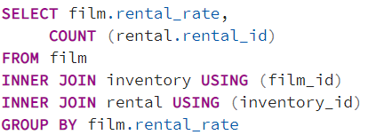
rental_rate | count
4.99 | 5272
2.99 | 5120
0.99 | 5652

